FACTORY SP3 190
BIKE REF FOR ORDERS : 23-FACTORYSP3-190-STD |  | 2023-01-01 | BIKE NAME : FACTORY SP3 2023
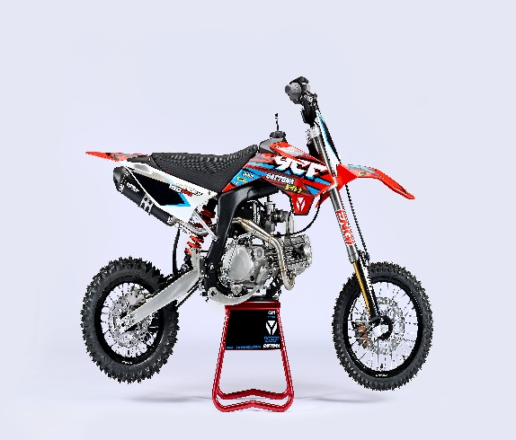 |  |  |  | 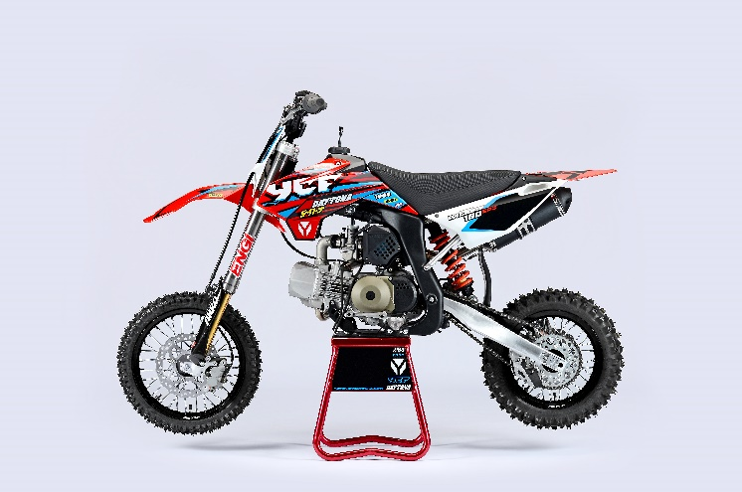
Handle bar assembly
50A = YCF50A
50E = YCF50E
W88E = START W88E
L88 = LITE88 L125 = LITE125
S88S = START F88S
S125S = START F125S
S125SE = START F125SE
S125 = STARTF125
P88 = PILOT 88
P125 = PILOT 125
P150 = PILOT 150
SM125 = START SM125S
SM150 = PILOT SM 150
SP1 = FACTORY SP1
SP2 = FACTORY SP2
SP3 = FACTORY SP3
B125 = BIGY 125MX
B150 = BIGY 150MX
BF150 = BIGY F150MX
BFD190 = BIGY FD190MX
BFZ190 = BIGY ZE190 MX
S147 = SUNDAY 150
S187 = SUNDAY 190
N° | Ref. | Description | Français | Picture | Qty/Bike | Model
32 | GA-02-BK | Aluminium handle bar (with black pad and pvc ) TWIN ALL L=760mm complete with bar pad and pvc BLACK | Guidon aluminium ''BAS'' TWIN ALL L=760mm complet avec mousse et pvc NOIR |  | 1 | SP31622
31 | YC110-0133-01BK | Complete Rubber Bar Pad for Aluminium Handlebar with Bar L=195mm BLACK | Mousse guidon caoutchouc complete pour guidon Aluminium avec Barre L=195mm NOIR |  | 1 | SP31622/BFD1901722
 | YC110-0153-01 | Handle bar plastic cap | Embout plastique de guidon |  | 1 | ALL BIKES 2122
 | YC110-0138-03 | YCF complete Throttle Assy. 2020 with YCF GREY | Poignee gaz complete YCF 2020 avec Paire de poignée YCF GRIS 2020 |  | 1 | SM1501422/SP11422/SP21422/SP31422/BF1501722/BFD1901722/BFZ1901722/S1471822/S1871822
24 | GB819-M4x12 | Countersunk cross head machine screw M4x12mm | Vis à tête fraisée plate cruciforme M4x12mm |  | 1 | ALL BIKES 1222
25 | GB819-M4x20 | Countersunk cross head machine screw M4x20mm | Vis à tête fraisée plate cruciforme M4x20mm |  | 1 | ALL BIKES 1222
26 | GB70-M6x20 | HEXAGON SOCKET Head Bolt with half thread M6x20mm | Vis Allen (BTR) avec deport M6x20mm |  | 2 | P1251522/P1501522/SP1222/SM1501522/BIGY1722
33 | PPC011-GY | YCF set of grip GREY 2020 | Paire de poignée caoutchouc YCF GRISE 2020 |  | 1 | ALL BIKES 22
34 | YC110-0135-02 | CNC adjustable bracket with lever 2020 | Cocotte CNC reglage rapide avec levier embrayage 2020 |  | 1 | S12522/P12522/P15022/SM15022/SP222/SP322/B12522/B15022/BFD19022/BFZ19022/S14722/S18722
35 | YC110-0151-02 | Rubber on clutch lever adjustable screw 2020 | Caoutchouc levier embrayage molette reglage2020 |  | 1 | S12522/P12522/P15022/SM15022/SP222/SP322/B12522/B15022/BFD19022/BFZ19022/S14722/S18722
36 | YC110-0136-01 | Rubber on clutch lever adjustable | Caoutchouc levier embrayage reglable |  | 1 | S1251822/P1251822/P1501822/SM1501822/SP21822/SP31822/B1251822/B1501822/BF1501822/BFD1901822/BFZ1901822/S1471822/S1871822
35 | YC110-0134-04 | Clutch bracket Assy | Cocotte embrayage complete |  | 1 | S12522/P12522/P15022/SM15022/SP222/SP322/B12522/B15022/BFD19022/BFZ19022/S14722/S18722
15 | BT08-M6x20-W | HEXAGON Torx screw with Flange M6x20mm | Vis HEXAGONALE Torx avec Flange M6x20mm |  | 2 | ALL BIKES 22
10 | YC110-0103-07 | Clutch lever 2020 (with FB13-8x10x10.5-Cu 1EA FB13-8x10x9.4-Cu 1EA ) complete with bushings and washer | Levier embrayage 2020 (avec FB13-8x10x10.5-Cu 1EA FB13-8x10x9.4-Cu 1EA ) avec entretoises et rondelle |  | 1 | S12522/P12522/P15022/SM15022/SP222/SP322/B12522/B15022/BFD19022/BFZ19022/S14722/S18722
18 | 27-06025B | Clutch Stepped bolt M6x25mm for clutch lever | vis cloche embrayage M6x25mm pour Levier embrayage |  | 1 | L1251622/S1251222/P1251322/P1501222/SM1501222/SP21222/SP31222/B1251722/B1501722/BF1501722/BFD1901722/BFZ1901822/S1471822/S1871822
19 | 6183-06000B | Cltch Self-lock Nut M6 for clutch lever | ecrou cloche embrayage M6 pour Levier embrayage 2020 |  | 1 | L1251622/S1251222/P1251322/P1501222/SM1501222/SP21222/SP31222/B1251722/B1501722/BF1501722/BFD1901722/BFZ1901822/S1471822/S1871822
12 | YC110-0105-04 | Kill Switch ON/OFF daytona ANIMA engine L=710mm | Coupe circuit on off pour daytona ANIMA L=710mm |  | 1 | SP31322/BFD1901722
13 | YC110-0106-15 | Throttle Cable L=960mm A+B=135mm 2021 (FOR NIBBI PE28) | Cable gaz L=960mm A+B=135mm 2021 (POUR NIBBI PE28) |  | 1 | SP322
 | YC110-0143-01 | Rubber on trottle cable | Protection caoutchouc cable de gas |  | 1 | ALL BIKES 1722
20 | YC110-01-03-BK | Cable tie L=150mm BLACK | collier maintien cable L=150mm NOIR |  | 3 | ALL BIKES 1222
20 | YC110-01-05-WH | Cable tie L=350mm WHITE | collier maintien cable L=350mm BLANC |  | 1 | ALL BIKES 1222
21 | YC110-0109-22 | Clutch Cable Assy. L=1000mm A+B=93mm | cable embrayage L=1000mm A+B=93mm |  | 1 | BFD1901722/BFZ1901822/SP31422/S1871822
 | EBR031-01 | Daytona Clutch clable clip SP3 | Support cable enbrayage Daytona SP3 |  | 1 | SP322/BFD19022/S18722

Steering stem assembly

N° | Ref. | Description | Français | Picture | Qty/Bike | Model
25 | YC110-0225-06-GY | Complete Triple Clamp (TOP48 / BOTTOM 48) adjustable bar mount SP3 MAT GREY 170mm | Te Fourche Complet (TE SUP. 48 / TE INF.48) pontet ajustable SP3 GRIS MAT 170mm |  | 1 | SP32022
1 | YC110-0201-03 | Steering stem L=233mm | tige colonne direction L=233mm |  | 1 | S12522/S125S1122/S125SE1522/P1251122/P1501122/SM1251222/SM1501322/SP11322/SP21320/SP31322/B1251722/B1501722/BFD1901722/BFZ1901822/S1471822/S1871822
3 | YC110-0201-53-GY | Top Triple Clamp 170mm d.48mm H=28mm 2020 MATT GREY | té fourche supérieur 170mm d.48mm H=28mm 2020 GRIS MAT |  | 1 | SP322
2 | YC110-0202-53-GY | Lower triple clamp 170mm d48mm H=38mm 2020 MAT GREY | té fourche inferieur 170mm d48mm H=38mm 2020 GRIS MAT |  | 1 | SP322
26 | YC110-0203-038 | Set of Bar mount d.28.6mm / H=87mm（with GB70.1-M10x55-W 2EA+BT08-M8x30-W 4EA YC110-0222-03 2EA） | Jeu pontet guidon H=87mm d.28.6mm （with GB70.1-M10x55-W 2EA+BT08-M8x30-W 4EA YC110-0222-03 2EA） |  | 1 | SP322/BFD19022
4 | YC110-0203-33 | Lower Bar Mount CNC START type, not adjustable d28.6mm H=55mm BLACK | Pontet guidon inférieur type START d28.6mm H=55mm NOIR |  | 2 | SP322/BFD19022
5 | YC110-0201-01 | Top bar mount CNC d28.6mm H=22mm 2020 BLACK | Pontet guidon supérieur d28.6mm H=22mm 2020 NOIR |  | 2 | SP322/BFD19022
 | YC110-0222-03 | Lower Bar Mount Heightening block CNC 12mmx12mmx12mm adjustable | Cale 12mmx12mmx12mm |  | 2 | SP322/BFD19022
15 | BT08-M6x25-W | HEXAGON Torx screw with Flange M6x25mm | Vis HEXAGONALE Torx avec Flange M6x25mm |  | 10 | ALL BIKES 22
17 | BT08-M8x30-W | HEXAGON Torx screw with Flange M8x30mm | Vis HEXAGONALE Torx avec Flange M8x30mm |  | 4 | W88E22/S88SE22/L8822/L12522/S12522/S125SE22/P12522/P15022/SM12522/SM15022/SP222/SP322/B12522/B15022/BFD19022/BFZ19022
14 | GB70.1-M10x55-W | Nut for Aluminium brake pedal M10x55mm ZINCING | Vis pour pédale frein Aluminium M10x55mm Chrome |  | 2 | SP322/BFD19022
6 | YC110-0212-07-WH | Front Number Plate complete 2022 WHITE | PLAQUE AVANT complete 2022 BLANC |  | 1 | W88E22/S88SE22/L8822/L1251722/S12522/S125S1422/S125SE1422/P1251422/P1501422/SM125s1422/SM1501422/SP11422/SP21422/SP31422
20 | BT08-M6x10-W | HEXAGON Torx screw with Flange M6x10mm | Vis HEXAGONALE Torx avec Flange M6x10mm |  | 1 | ALL BIKES 22
 | GB97-d12-W | Flat washer d12 | Rondelle plate d12mm |  | 1 | ALL BIKES2022
27 | KRDIRECTION46 | set of bearing for steering 46/23.5、46/22 | kit rlt colonne direction 46/23.5、46/22 |  | 1 | 50A22/50E22/W88E22/S88SE22/L8822/L12522/125S1522/S125SE1522/P1251322/P1501322/SM1251322/SM1501322/SP11122/SP21222/SP31222/B1251722/B1501720/BF1501720/BFD1901722/BFZ1901722/S1471822/S1871822
9 | YC110-02-09 | Top nut for steering d54.5mm | écrou crantellé colonne direction d54.5mm |  | 1 | ALL BIKES 1222
10 | YC110-02-10 | Washer for steering stem nut d22.5mmxd37mmx0.7mm | joint colonne direction d22.5mmxd37mmx0.7mm |  | 2 | ALL BIKES 1222
11 | YC110-02-11 | Nut for steering stem M22 | Ecrou supérieur colonne direction M22 |  | 1 | ALL BIKES 1222
13 | YC110-0214-01-WH | YCF Break Line Retainer White with screw and washer（with GB9074.5-M4x10-W 1EA ） | Guide durite sur plaque avant avec vis et rondelle YCF Blanc |  | 1 | 50A22/50E22/W88E22/S88SE22/L8822/L1251622/S125SE1522/P1251422/P1501422/SM1251422/SM1501422/SP11422/SP21422/SP31422/B1251722/B1501722/BF1501719/BFD1901722/BFZ1901722
 | YC110-0213-12 | Front plastic plate to hold cables 75mmx80mm | Plaque avant plastique maintien cables 75mmx80mm |  | 1 | ALL BIKES 22
30 | YC110-0213-08 | Number plate bracket | support plaque avant |  | 1 | S1251422/S125SE1522/P1251422/P1501422/SM1251622/SM1501622/SP11622/SP21622/SP31622/B1251722/B1501722/BF1501722/BFD190ZE1722/BIGYF190D1722
31 | GBT5787-M6x16-3 | HEXAGON screw with Flange with half thread M6x16mmx3mm | Vis HEXAGONALE avec Flange et deport M6x16mmx3mm |  | 1 | ALL BIKES 22
 | YC110-01-08-BK | Cable tie ADJUSTABLE BLACK for Front plastic plate to hold cables | Collier maintien cable AJUSTABLE NOIR pour plaque avant plastique |  | 2 | ALL BIKES 22
 | YC110-02-20 | Washer for steering stem nut d22mm (top)/d24mm (bottom)-d47mm | Joint pour colonne direction d22mm (haut)/d24mm (bas) -d47mm |  |  | S1251422/S125S1422/S125SE1422/P1251422/P1501422/SM1251422/SM1501422/SP11422/SP21422/SP31422/B1251722/B1501722/BF1501722/BFD1901722/BFZ1901822/S1471822/S1871822/S88SE22

Front Fender

N° | Ref. | Description | Français | Picture | Qty/Bike | Model
1 | YC110-032-02-RD | YCF Front Fender 2020 (short) Red | GARDE BOUE AVANT 2020 (Court) Rouge |  | 1 | W88E22/S88SE22/L12522/S125SE22/S12522/P12522/P15022/SM12522/SM15022/SP222/SP322
2 | GBT5787-M6x16-6 | Hex. Bolt with flanged M6x16mm (spacer 6mm) | vis M6x16mm (deport 6mm) |  | 3 | 50A22/50E22/W88E1822/S88SE1822/L8822/L12522/S12522/S125SE1822/P1251822/P1501822/SM1251822/SM1501822/SP21822/SP31822/B1251822/B1501822/BF1501719/BFD19017820/BFZ1901820
 | GBT5787-M6x16-3 | HEXAGON screw with Flange with half thread M6x16mmx3mm | Vis HEXAGONALE avec Flange et deport M6x16mmx3mm |  | 2 | 50A22/50E22/W88E1822/S88SE1822/L8822/L12522/S12522/S125SE1822/P1251822/P1501822/SM1251822/SM1501822/SP21822/SP31822/B1251822/B1501822/BF1501719/BFD19017820/BFZ1901820

Front & Rear absorber

N° | Ref. | Description | Français | Picture | Qty/Bike | Model
24 | ENGI2-800-MG | Pair of fork ENGI L=800mm (Compression / Rebound adjustable) MAGNESIUM | Jeu de fourche (compression / detente reglable) L=800mm MAGNESIUN |  | 1 | SP31822/BIGY190D1822
1 | YC110-0401-22-MG | Front right fork ENGI L=800mm (Compression / Rebound adjustable) GOLD-MAGNESIUM (tubes gold colour) | tube fourche droit L=800mm GOLD-MAGNESIUN(compression / detente reglable ) |  | 1 | SP31822/BIGY190D1822
2 | YC110-0402-22-MG | Front left fork ENGI L=800mm (Compression / Rebound adjustable) GOLD-MAGNESIUM (tubes gold colour) | Tube fourche gauche L=800mm GOLD-MAGNESIUN(compression / detente reglable) |  | 1 | SP31822/BIGY190D1822
...
N° | Ref. | Description | Français | Picture | Qty/Bike | Model
 | 17311-6 | INLET PIPE ,Pro ANIMA 150 for PE28 | PIPE ADMISSION PE28 |  | 1 | SP31622/BFD1901722/BFZ1901822/S1871822
 | BT08-M6x20-W | HEXAGON Torx screw with Flange M6x20mm | Vis HEXAGONALE Torx avec Flange M6x20mm |  | 2 | ALL BIKES 22
 | 46758 | RUBBER MANIFOLD SET（with YC50-0803 1EA+YC110-2029 1EA+GB70-M6x30-W 2EA） | Manchon pipe admission Daytona |  | 1 | SP31622/BFD1901722/BFZ1901822/S1871822
 | YC110-2030 | RUBBER MANIFOLD SET PE28 | Manchon pipe admission Daytona PE28 |  | 1 | SP31622/BFD1901722/BFZ1901822/S1871822
 | YC110-2029 | YCF carburettor paper gasket | joint papier carburateur |  | 1 | SP31622/BFD1901722/BFZ1901822/S1871822
 | YC50-0803 | Holding ring d.21mm-d.44mm | collier FILTRE d.21-d44mm |  | 1 | SP31622/BFD1901722/BFZ1901822/S1871822
 | BT08-M6x30-W | HEXAGON Torx screw with Flange M6x30mm | Vis HEXAGONALE Torx avec Flange M6x30mm |  | 2 | ALL BIKES 22
 | GB6170-M6-W | HEXAGON Nut M6 | Ecrou HEXAGONAL M6 |  | 2 | ALL BIKES 1122

Foot Peg assy
 |  | 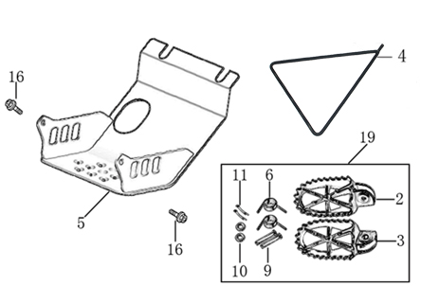
N° | Ref. | Description | Français | Picture | Qty/Bike | Model
19 | YC110-0902-15 | Inox foot pegs set Large | Jeu repose pied inox Large |  | 1 | SP1322/SP21322/SP31422/BF1501722/BFD1901722/BFZ1901822
6 | YC110-0906 | Spring for inox foot peg (left/right) d2mmxd16mmx35mm | ressort repose pied (droit/gauche) inox d2mmxd16mmx35mm |  | 3 | SP1322/SP21322/SP31422/BF1501722/BFD1901722/BFZ1901822/S1471822/S1871822
9 | GB882-d8x45 | shaft pin for inox footpegs Stainless steel d8mmx45mm | axe repose pied inox Acier inoxydable d8mmx45mm |  | 3 | BIGY190ZE22/BIGY190D22/SP222/SP322/S14722/S18722
10 | GB97-d8-W | flat washer d8mmxd16mmx1mm | rondelle d8mmxd16mmx1mm |  | 3 | ALL BIKES 1122
11 | GB91-d2x25-W | Cotter pin 2.0x25mm | goupille 2.0x25mm |  | 2 | ALL BIKES 1322
4 | YC110-190-01 | Side stand SP BLACK | Triangle support SP NOIR |  | 1 | SP11522/SP21522/SP31522/S1471822/S1871822
5 | YC110-207-05 | YCF Engine skid plate Steel SPIII Black | NEW SABOT ACIER FACTORY SPIII Noir |  | 1 | SP31422/BFD1901722
16 | BT08-M6x16-W | HEXAGON Torx screw with Flange M6x16mm | Vis HEXAGONALE Torx avec Flange M6x16mm |  | 2 | S88SE22/L8822/L12522/S12522/S125SE22/P12522/P15022/SM12522/SM15022/SP222/SP322/B12522/B15022/BFD19022/BFZ19022
10 | BT08-M8x25-W | HEXAGON Torx screw with Flange M8x25mm | Vis HEXAGONALE Torx avec Flange M8x25mm |  | 4 | ALL BIKES 22
...
N° | Ref. | Description | Français | Picture | Qty/Bike | Model
 | GB5787-M6x10-W | HEXAGON screw with Flange M6x10mm | Vis HEXAGONALE avec Flange M6x10mm |  | 1 | ALL BIKES 22
 | GB5787-M6x16-W | HEXAGON screw with Flange M6x16mm | Vis HEXAGONALE avec Flange M6x16mm |  | 2 | ALL BIKES 1222
32 | YC110-1010 | YCF rear disk protection BLACK | protection disk arriere YCF NOIR |  | 1 | SP31222/B190D1722
33 | BT08-M6x12-W | HEXAGON Torx screw with Flange M6x12mm | Vis HEXAGONALE Torx avec Flange M6x12mm |  | 2 | SP1227/SP21222/SP31222/B1251722/B1501722/BF1501722/BFD1901722/BFZ1901822
4 | YC110-1001-021 | Sleeve for swing arm d12mmxd16mmxd24mmx10mm | Entretoise bras oscillant/amorto d12mmxd16mmxd24mmx10mm |  | 2 | SP11227/SP21222/SP31222/BF1501722/BFD1901722/BFZ1901822
18 | GB91-d2x35-W | Slipt Pin d.2x35mm | goupille d.2x35mm |  | 1 | SP11227/SP21222/SP31222/BF1501722/BFD1901722/BFZ1901822

Rear Wheel Assy

N° | Ref. | Description | Français | Picture | Qty/Bike | Model
1 | YC110-1101-16-SI | Complete ALUMINIUM Rear wheel 1.85x12' with disk and sprocket CNC BLACK hub BIACK Rim 2021 8K | roue arriere complète ALUMINIUM 1.85x12' avec disque et moyeux cnc NOIR / Jante NOIR 2021 8K | 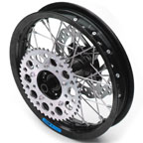 | 1 | SP223/SP323
3 | CHAMBRE12 | Tube for Rear tire 3.00-12' | chambre air 3.00-12' standard |  | 1 | L1251922/S1251922/S125SE1922/P1251922/P1501922/SP21922/SP31922
4 | 80/100/12ARRO | Rear tyre 80/100/12 ARRO | Pneu arriere 80/100/12 ARRO |  | 1 | SP21622/SP31622
7 | YC110-1107-24-BK | ALUMINIUM 7116 Rim 1.85x12' BLACK 8K | cerceau roue 1,85x12' ALUMINIUM 7116 NOIR 8K |  | 1 | SP21821/SP31820
8 | YC110-1122-16-BK | YCF Rear hub CNC BLACK 2021 (SPOKES 4 mm - 8K) | Moyeux arriére CNC 2021 NOIR (RAYONS 4 mm -8K) |  | 1 | SP222/SP322/BFD19022/BFZ19022
9 | YC110-1109-07 | Rear hub axle bushing d.17mmxd.25mmx67mm | entretoise intérieur moyeux arrière d.17mmxd.25mmx67mm |  | 1 | SP21622/SP31622/BF1501722/BFD1901722/BFZ1901822
10 | 6003 | NTN Ball bearing 6003d35mmxd17mmx10mm | Roulement roue 6003 NTNd35mmxd17mmx10mm |  | 3 | SP21622/SP31622/BF1501722/BFD1901722/BFZ1901822
18 | YC110-0611 | oil seal d23mmxd35mmx5mm | joint spy roue d23mmxd35mmx5mm |  | 2 | W88E1822/L881722/S88SE1522/L1251622/S125S1022/S125SE1522/S12522/P1251322/P1501022/SM1251022/SM1501022/SP11022/SP21022/SP31422/B1251722/B1501720/BF1501719/BFD1901722/BFZ1901820/S1471822/S1871822
21 | JR12-13.5-8K | set of spoke 12' (125mmx32) 8K(4.0mm) | jeu rayon arrière 12' (125mmx32) 8K(4.0mm) |  | 1 | SP21322/SP31322
11 | YC110-11-047 | Rear wheel spacer right d15mmxd22mmx43mm with step d15mmxd17mmx14mm | Entretoise roue arriere droite d15mmxd22mmx43mm step d15mmxd17mmx14mm |  | 1 | SP21622/SP31622/BF1501722/BFD1901722/BFZ1901822
12 | YC110-11-057 | Rear wheel spacer left d15mmxd22mmx63mm with step d15mmxd17mmx25mm | Entretoise roue arriere gauche d15mmxd22mmx63mm step d15mmxd17mmx25mm |  | 1 | SP21622/SP31622/BF1501722/BFD1901722/BFZ1901822
...
N° | Ref. | Description | Français | Picture | Qty/Bike | Model
18 | GB70.1-M10x35-W | Nut for brake pedal M10X35 | vis pour pédale frein M10X35 |  | 1 | SP11622/SP21622/SP31622/BF1501722/BFD1901722/BFZ1901822
 | FB13-10x14x6 | bushing 10x14x6MM for brake pedal | entretoise 10x14x6MM pour pédale de frein |  | 1 | SP11622/SP222/SP322/BFD19022/BFZ19022/S14722/S18722
23 | YC110-1223-02 | Aluminium brake pedal end cap 2020 | embout pédale de frein Aluminium 2020 |  | 1 | SP222/SP322/BFD19022/BFZ19022/S14722/S18722
30 | BT08-M6x25-W | HEXAGON Torx screw with Flange M6x25mm | Vis HEXAGONALE Torx avec Flange M6x25mm |  | 2 | SP222/SP322/BFD19022/BFZ19022/S14722/S18722
 | GB70-M5x12 | HEXAGON SOCKET Head Bolt with half thread M5x12mm | Vis Allen (BTR) avec deport M5x12mm |  | 3 | SP11622/SP222/SP322/BFD19022/BFZ19022/S14722/S18722
34 | YC110-1215-06 | Mount for rear break reservoir "extern" | fixation maitre cylindre frein arriere "externe" |  | 1 | P1251722/P1501722/SM1501722/SP11722/SP21722/SP31722/B1251722/B1501722/BFD1901722/BFZ1901822/S1471822/S1871822
 | BT08-M6x16-W | HEXAGON Torx screw with Flange M6x16mm | Vis HEXAGONALE Torx avec Flange M6x16mm |  | 2 | P12522/P15022/SM15022/SP222/SP322/B12522/B15022/BFD19022/BFZ19022/S14722/S18722
35 | BT08-M6x12-W | HEXAGON Torx screw with Flange M6x12mm | Vis HEXAGONALE Torx avec Flange M6x12mm |  | 2 | P12522/P15022/SM15022/SP222/SP322/B12522/B15022/BFD19022/BFZ19022/S14722/S18722

Exhaust system
 |  | 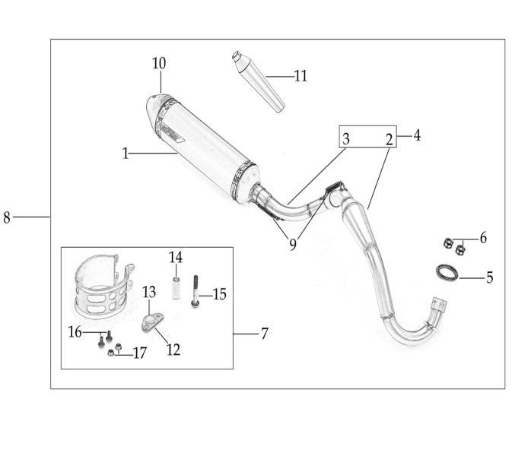
N° | Ref. | Description | Français | Picture | Qty/Bike | Model
8 | YC110-139-09-BK | Muffler& Exhaust pipe assy RACING 2022 single Muffler | Echapement Racing Complete YCF RACING 2022 Simple |  | 1 | SP322
1 | YC110-13014-04-BK | Muffler RACING (2 springs) Black | silencieux YCF SP3 RACING Noir |  | 1 | SP21622/SP31622/BF1501622/BFD1901722/BFZ1901822
10 | YC110-13-35 | Muffler end cap SPII | Embout silencieux racing SPII |  | 1 | SP21222/SP31222/BF1501722/BFD1901722/BFZ1901822/S1471822/S1871822
24 | GB70-M5x20 | HEXAGON SOCKET Head Bolt with half thread M5x20mm | Vis Allen (BTR) avec deport M5x20mm |  | 3 | SP21222/SP31222/BF1501722/BFD1901722/BFZ1901822/S1471822/S1871822
 | YC110-1317-02 | Noise reducer (spark arrestor) YCF START | Bride de pot YCF START |  | 1 | SP322/BIGYF15022/BIGYF150E22/BIGYF190D22
4 | YC110-13028-01 | Racing Exhaust pipe Complete SP3 2016 | Collecteur Racing Complet SP3 2016 |  | 1 | SP31622
2 | YC110-1302-13 | Racing Exhaust pipe head for competition | Collecteur Racing |  | 1 | SP31622
3 | YC110-1302-15 | Racing Exhaust pipe tail for competition (single) SP3 | Collecteur Racing Partie Silencierux SP3 |  | 1 | SP31622
5 | 18291/152FMH | Exhaust pipe washer d.25.5mmxd.32mmx4mm | joint pot d.25.5mmxd.32mmx4mm |  | 1 | S88SE1522/L881722/L1251622/S125SE1522/S12522/P1251322/P1501222/SM1251222/SM1501222/SP11222/SP21222/SP31422/B1251722/B1501722/BFD1901722/BFZ1901820/S1471822/S1871822
17 | GB6177-M6-W | Self-locking Nut M6 for exhaust pipe fixation on engine | écrou M6 pour fixation du collecteur sur le moteur |  |  | SP21222/SP31222/BF1501722/BFD1901722/BFZ1901822/S1471822/S1871822
7 | YC110-1307-03 | Hoop for muffler YCF SPII/SPIII （with FB13-8x14x35-W 1EA+GB5787-M8x60-W 1EA） | Attache silencieux YCF SPII/SPIII (DROIT) |  | 1 | SP21520/SP31522
6 | BT08-M8x60-W | HEXAGON Torx screw with Flange M8x60mm | Vis HEXAGONALE Torx avec Flange M8x60mm |  | 1 | SP222/SP322
16 | BT08-M6x16-W | HEXAGON Torx screw with Flange M6x16mm | Vis HEXAGONALE Torx avec Flange M6x16mm |  | 2 | SP21222/SP31222/BF1501722/BFD1901722/BFZ1901822/S1471822/S1871822
17 | GB6177-M6-W | HEXAGON FLAT FLANGE NUT M6 | Ecrou HEXAGONAL avec Flange M6 |  | 2 | SP21222/SP31222/BF1501722/BFD1901722/BFZ1901822/S1471822/S1871822
9 | YC110-1310-01 | muffler spring d2mmxd10mmx43mm | ressort pot d2mmxd10mmx43mm |  | 3 | SP31622/BFD1901722

Seat & Plastic kit
 |  | 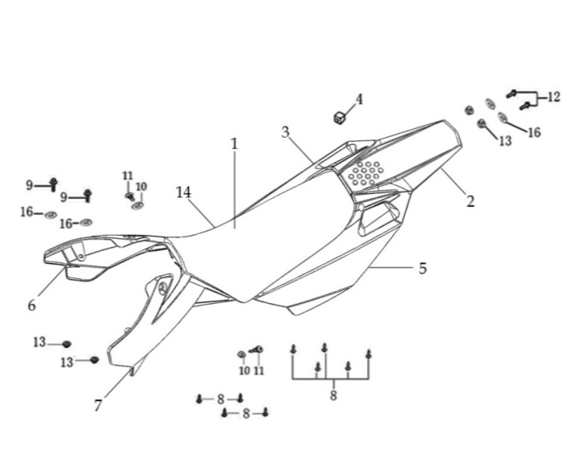
N° | Ref. | Description | Français | Picture | Qty/Bike | Model
1 | YC110-1401-17 | YCF Seat assy L=510mm | Sells SP L=510mm |  | 1 | P1251822/P1501822/SM1501822/SP21822/SP31822
2 | YC110-14-018-RD | YCF Rear fender 2016 RED with YC110-1404-01 2EA | Garde boue arrière YCF 2016 ROUGE |  | 1 | SP323
3 | YC110-14-028-WH | YCF right side complete plastic assy WHITE | Plaque latérale droite complete YCF BLANC |  | 1 | P1251622/P1501622/SM1501622/SP11622/SP21622/SP31622
17 | YC110-1428-01-BK | Handrail of right side plastic 2016 BLACK | Poignee droite plaques laterales FACTORY 2016 NOIR |  | 1 | P1251622/P1501622/SM1501622/SP11622/SP21622/SP31622
4 | YC110-14-03 | Cushion for right side plastic BLACK | caoutchouc plaque laterale droite NOIR |  | ` | ALL BIKES 1122
5 | YC110-14-048-WH | YCF left side complete plastic assy WHITE | Plaque laterale gauche complete YCF BLANC |  | 1 | P1251622/P1501622/SM1501622/SP11622/SP21622/SP31622
18 | YC110-1429-01-BK | Handrail of left side plastic 2016 BLACK | Poignee gauche plaques laterales FACTORY 2016 NOIR |  | 1 | P1251622/P1501622/SM1501622/SP11622/SP21622/SP31622
 | GB819-M5x10-W | Plus screw M5x10mm | vis M5x10mm |  | 2 | P1251622/P1501622/SM1501622/SP11622/SP21622/SP31622/B1251722/B1501722/BF1501722/BFD1901722/BFZ1901822
21 | YC110-1404-01 | Rubber plug Hoop for muffler d8.2mmxd20.2mmx9mm BLACK | caoutchouc plaque laterale d8.2mmxd20.2mmx9mm 2016 |  | 2 | P1251622/P1501622/SM1501622/SP11622/SP21622/SP31622/B1251722/B1501722/BF1501722/BFD1901722/BFZ1901822
...
8 | GB845-ST4.8x20-G | Pan Head Cross Tapping Screw ST4.8x20mm | Vis taraudeuse à tête ronde cruciforme ST4.8x20mm |  | 2 | ALL BIKES 22
 | GB819-M4x10-W | Countersunk cross head machine screw M4x10mm | Vis à tête fraisée plate cruciforme M4x10mm |  | 2 | ALL BIKES 1222
9 | BT08-M6x20-W | HEXAGON Torx screw with Flange M6x20mm | Vis HEXAGONALE Torx avec Flange M6x20mm |  | 2 | ALL BIKES 1222
11 | GB96-d5-W | flat washer d6 for shroud fixation on gas tank sides | rondelle d6 pour fixation ouis sur reservoir cotes |  | 2 | ALL BIKES 1222
11 | FB5787-M5x12-W | HEXAGON screw with Flange M5x12mm | Vis HEXAGONALE avec Flange M5x12mm |  | 2 | ALL BIKES 1222
11 | GB96-d5-W | flat washer d6 for shroud fixation on gas tank sides | rondelle d6 pour fixation ouis sur reservoir cotes |  | 2 | ALL BIKES 21
13 | GB6177-M6-W | HEXAGON FLAT FLANGE NUT M6 | Ecrou HEXAGONAL avec Flange M6 |  | 4 | ALL BIKES 1222
12 | BT08-M6x20-W | HEXAGON Torx screw with Flange M6x20mm | Vis HEXAGONALE Torx avec Flange M6x20mm |  | 4 | ALL BIKES 1222

ELECTRIC
 |  | 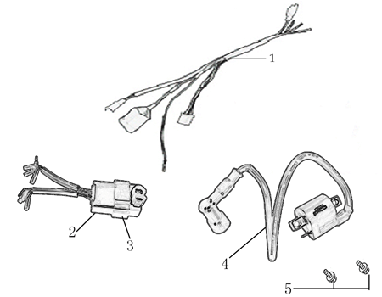
N° | Ref. | Description | Français | Picture | Qty/Bike | Model
1 | 86917 | WIRE HERNESS for ANIMA-FDX | FAISCEAU ELECTRIQUE |  | 1 | SP31322/BFD1901722/S1871822
 | YC110-01-05-WH | Cable tie L=350mm WHITE | collier maintien cable L=350mm BLANC |  | 1 | ALL BIKES 1222
2 | 86427 | BOX, CDI for FDX, FLX | CDI ANIMA 150/190 for FDX, FLX |  | 1 | SP31322/BFD1901722/S1871822
4 | 86426 | COIL, IGN ITION | BOBINE D'ALLUMAGE |  | 1 | SP31322/BFD1901722/S1871822
5 | BT08-M6x16-W | HEXAGON Torx screw with Flange M6x16mm | Vis HEXAGONALE Torx avec Flange M6x16mm |  | 1 | ALL BIKES 22

Frame
 |  | 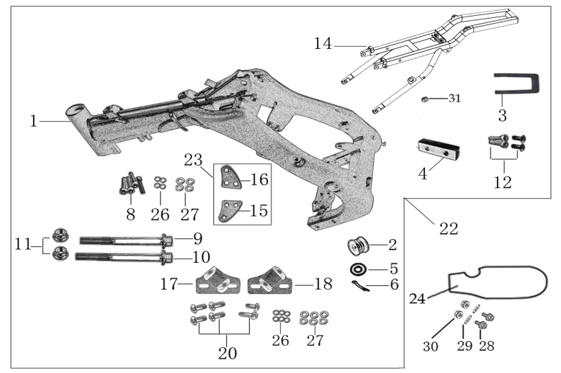
N° | Ref. | Description | Français | Picture | Qty/Bike | Model
21 | YC110-1621-0801-BK | chromoly frame body SPIII 2020 BLACK 22° | Cadre chromoly SPIII 2020 NOIR 22° |  | 1 | SP322
1 | YC110-181-0501-BK | Chromoly steel frame body SPI / SPII / SPIII 2015 BLACK 22 degrees | Cadre acier chromoly SPI / SPII / SPIII 2020 NOIR 22 degres |  | 1 | SP222/SP322
 | YC110-01-08-BK | Cable tie ADJUSTABLE BLACK | Collier maintien cable AJUSTABLE NOIR |  | 1 | ALL BIKES 22
2 | YC110-2201-02 | YCF Chain tensioner component Nylon 2020 | Roulette chaine YCF 2020 Nylon |  | 1 | S88SE22/L8822/L12522/S125SE22/S12522/P12522/P15022/SM12522/SM15022/SP222/SP322/B12522/B15022/BFD19022/BFZ1901722/
5 | GB97-d10-W | Flat washer d10mmxd17mmx2mm for Chain tensioner | rondelle d10mmxd17mmx2mm pour roulette chaine |  | 1 | ALL BIKES 1122
6 | GB91-d2x25-W | cotter pin d2.0x25mm for Chain tensioner | goupille d2.0x25mm pour roulette chaine |  | 1 | ALL BIKES 1122
14 | YC110-1614-06 | Aluminium rear frame part SPIII 2016 SILVER with YC110-1404-01 | Boucle arriere de cadre Aluminium SPIII 2016 SILVER |  | 1 | SP31622
22 | YC110-16-066-BK | set of engine pads Black SPI/SPII/SPIII | jeu de patte de cadre Noir SPI/SPII/SPIII |  | 1 | SP11322/SP21222/SP31222
15 | YC110-16-033-BK | frame engine pads left SPI/SPII/SPIII BLACK | patte de cadre gauche SPI/SPII/SPIII NOIRE |  | 1 | SP11322/SP21222/SP31222
...

